BSS Instructions
The Budget Services Schedule is a great tool to help a member and the ILC to better organize services. This tool can be used simply to make sure that assessed services are being provided. It is recommended that all ILCs use this tool when working with the member to develop a thurough budget. However it is only required when budgeted indicates this is needed.

When do you have to complete the Budget Service Schedule?
● | When the budget says that the BSS is needed.

Why is a Services Schedule needed?
● | KDHE is responsible to ensure that participants in Working Healthy/WORK are receiving services comparable to what they are assessed as needing, and for which KDHE is paying. If the number of hours of service received on the submitted budget result in a significant decrease in assistance compared to the amount a member was assessed as needing, the assessment and budget will need to be looked at closely to make sure the member's assessed needs are being met and a Services Schedule will be required. A budget that has a significant decrease in assistance may not meet a menber's assessed needs.

● | Per the WORK Program Manual:
 |  | Individualized Budgets must reflect the amount, duration and scope of assistance identified during the WORK assessment. Service hours must be comparable to the number of hours for which members have been assessed. Members must choose agencies whose hourly compensation rate is similar to the hourly rate on which the monthly allocation is based. KDHE reserves the right to deny approval for Individualized Budgets which decrease the number of hours of assistance received by members.

How to complete the Budget Services Schedule (BSS)?
 | 1 | Complete the top of the page. The document is locked so you can only input informaiton in cells that are white.
 |  | A | Member Name
 |  | B | Who is completing the BSS?
 |  | C | Input the date the BSS is completed.
 |  | D | What are the total assessed monthly hours? This will come directly from the approved assessment.
 | 2 | Using the approved assessment, go into each ADL, IADL, and Supported Employment page of the assessment and find how much time the member is assessed as needing each day. On the BSS input the number of minutes in the days of the week columns and then input how many days per week the member needs assistance in all the ADLs and meal supports. Input numbers only.

 |  | A | Once this informaiton has been input into the BSS, some sections of the BSS will auto populate.
 | 3 | At the bottom of the page is a gray section called "Budget Crosscheck".

 |  | A | Breakdown the budget into monthly hours for each section.
 |  |  |  | Example: |  |  | Assessed hours per month = 150
 |  |  |  | ● | Figure the hours for alternative personal services.
 |  |  |  |  | ● | Lifeline = $49.95 per month. Take $49.95 divide by $13.25 = 3.77 hours per month.
 |  |  |  |  | ● | Home delivered Meals cost = $394.03 divide by $13.25 = 29.74 hours per month.
 |  |  |  |  | ● | Employment Supports = 5 hours per month.
 |  |  |  | ● | Add up all the self-directed PA hours. For this example there is 41 hours per month in self-direct PA hours.

 |  |  |  | ● | Add up all the agency-directed PA hours. For this example there is 35 (25 + 10) hours per month in agency-direct PA hours.

 |  | B | Using the breakdown, list the discription and the number of hours for the task per month in the Time (Hours) Per Month column.

 | 4 | Then input what services are being provide by task and how many minutes per day is task being preformed.
 |  | ● | This info is input in the rows under "Assessed as needing time 0 days per week".

 | 5 | If the member has been assessed as needing assistance 7 days per week is the member getting assistance 7 days per week from a provider? Make sure that the member is getting assistance as many days as indicated in the assessment.

 |  | ● | If no - stop, this budget is not approvable and the assessment needs reevaluated to ensure it correctly reflects the member's needs.

 |  | ● | If yes - move to # 6.
 | 6 | In column L, is the percentage of budget time drastically reduced from the assessed time?

 |  | ● | If yes - stop, this budget is not approvable and the assessment needs reevaluated to ensure it correctly reflects the member's needs.

 |  | ● | If no - assessed time is comprable to budgeted time.
 | 7 | At the bottom of the BSS, do the percentages in the green cells match?

 |  | ● | If yes continue to #8
 |  | ● | If no - stop, the data that you entered into the BSS has an error.
 | 8 | At the bottom of the BSS, do the numbers in the pink cells match or are the numbers within 1 of each other?
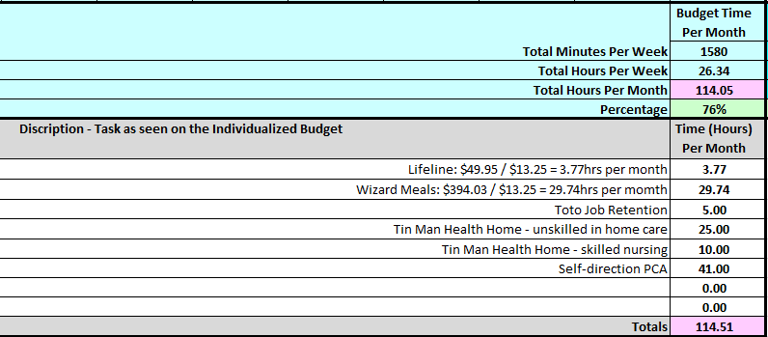

 |  | ● | If yes BSS is complete and needs to be submitted to the MCO.
 |  | ● | If no - stop, the data that you entered into the BSS has an error.

